Home
SOP-Pro SOP Production Tool

Total SOPs
28
View List of SOPs
Create New SOPs

View Summary of SOPs

 | SOP Category | Count
 | Pre Construction Planning | |||||||||||||||||||||||||||||||||||||||||||||||||||||||||||||||||||||||||||||||||||||||||||||||||||||||||||||||||||||||||||||||||||||||||||||||||||||||||||||||||||||||||||||||||||||||||||||||||||||||||||||||||||||||||||||||||||||||||||||||||||||||||||||||||||| |  | 13
 | Documentation | |||||||||||||||||||||||||||||||||||||||||||||||||||||||||||| |  | 3
 | Mobilization | |||||||||||||||||||||||||||||||||||||||| |  | 2
 | Scheduling | |||||||||||||||||||||||||||||||||||||||| |  | 2
 | Change Management | |||||||||||||||||||| |  | 1
 | Coordination | |||||||||||||||||||| |  | 1
 | Cost Management | |||||||||||||||||||| |  | 1
 | Material Management | |||||||||||||||||||| |  | 1
 | Project Management | |||||||||||||||||||| |  | 1
 | Project Setup | |||||||||||||||||||| |  | 1
 | Subcontract Management | |||||||||||||||||||| |  | 1

 |  |  | Developed by Hala Nassereddine, Ph.D.
 |  |  | NCM Consulting, LLC.

SOPList
1 | Select SOP
SOP Title | SOP Category | SOP Creator | SOP Sheet Name | Notes | Department | Primary Position | Secondary Position | Phase
02.01 Turnover Meeting Agenda | Pre Construction Planning | Tom Ewing | Turnover Meeting Agenda | DRAFT | Operations | Project Management | Foreman | Pre-Con | Project Management | 02.00 Pre-Con Planning Process
02.05 Pre Con Planning Checklist | Pre Construction Planning | Tom Ewing | Pre Con Plan Checklist | DRAFT | Operations | Project Management | Foreman | Pre-Con | Estimator | 03.00 Planning Assessment
02.10 Team Selection & Turnover Checklist for Pre-Con (SOP) | Pre Construction Planning | Tom Ewing | Team Selection | DRAFT | Operations | Project Management | Foreman | Pre-Con | Foreman | 02.60 Budget Preparation
02.20 Scope & Contract Review for Pre-Con Planning (SOP) | Pre Construction Planning | Tom Ewing | Scope & Contract Review | DRAFT | Operations | Project Management |  | Pre-Con | CAD Operator | 02.70 Layout and Sequencing Plan
02.30 Administrative Setup Checklist for Pre-Planning (SOP) | Pre Construction Planning | Tom Ewing | Admin Setup Checklist | DRAFT | Operations | Project Management | Foreman | Pre-Con | COO | 02.90 Construction Execution Kickoff Meeting
View SOP Sheet
02.40 Buyout Process Checklist (SOP) | Pre Construction Planning | Tom Ewing | Buyout Process Checklist | DRAFT | Operations | Project Management | Purchasing Manger | Pre-Con | Branch Manager | 05.020 Coordination
02.50 Material Handling Checklist for Pre-Con (SOP) | Pre Construction Planning | Tom Ewing | Material Handling Pre-Con | DRAFT | Operations | Project Management | Foreman | Pre-Con | Purchasing Manger | 05.090 Tool Management
Print SOP Sheet
02.52 Material Delivery/Storage Best Practice | Pre Construction Planning | Tom Ewing | Material Storage Best Practice | DRAFT | Operations | Project Management | Foreman | Pre-Con | Safety Suprintendent | 05.100 Labor Management
02.99 Pre-Job Planning Kickoff Agenda (SOP) | Pre Construction Planning | Tom Ewing | Pre-Job Planning Kickoff | DRAFT | Operations | Project Management | Foreman | Pre-Con | Addministrative Assistant | 05.110 Safety Management
05.010 Mobilization (SOP) | Mobilization | Tom Ewing | Mobilization | Ready for Review | Operations | Project Management | Foreman | Project Setup | Pre-Fab Superintendent | 05.120 Quality Management
Hide SOP Sheet
05.030 Document Management (SOP) | Documentation | Tom Ewing | Document Management | DRAFT | Operations | Project Management | Foreman |  |  | 05.130 Project Closeout
05.040 Communication Checklist (SOP) | Documentation | Tom Ewing | Communication Checklist | DRAFT | Operations | Project Management | Foreman
05.050 Scheduling Process | Scheduling | Tom Ewing | Scheduling Process | DRAFT | Operations | Project Management | Foreman
05.060 Scope & Change Order (SOP) | Change Management | Tom Ewing | Scope & CO Checklist | DRAFT | Operations | Project Management | Foreman | Construction
05.070 Cost & Billing Checklist (SOP) | Cost Management | Tom Ewing | Cost & Billing Checklist | DRAFT | Operations | Project Management | Foreman
05.080 Subcontractor Management Checklist for PM's (SOP) | Subcontract Management | Tom Ewing | Subcontractor Management | DRAFT | Operations | Project Management | Foreman
05.090 Material Management Checklist for PM's (SOP) | Material Management | Tom Ewing | Material Management | DRAFT | Operations | Project Management | Foreman
Contract Review Checklist | Pre Construction Planning | Tom Ewing | Contract Review Checklist | DRAFT | Operations | Project Management | Foreman | Pre-Con
Filing System (SOP) | Documentation | Tom Ewing | Filing System | DRAFT | Operations | Project Management | Foreman
PM Coordination Checklist (SOP) | Coordination | Tom Ewing | PM Coordination Checklist | DRAFT | Operations | Project Management | Foreman
Project Management Process – Overview | Project Management | Tom Ewing | ManagementProcessOverview
Scope & Schedule Checklist (SOP) | Scheduling | Tom Ewing | Scope & Schedule Checklist | DRAFT | Operations | Project Management | Foreman
Scope and Schedule Review | Pre Construction Planning | Tom Ewing | Scope and Schedule Review | DRAFT | Operations | Project Management | Foreman | Pre-Con
Site Conditions (Checklist) | Mobilization | Tom Ewing | Site Conditions | DRAFT | Operations | Project Management | Foreman | Project Setup
Site Logistics Checklist (SOP) | Pre Construction Planning | Tom Ewing | Site Logistics Checklist | DRAFT | Operations | Project Management | Foreman | Pre-Con
Site Visit Review Items (SOP) | Pre Construction Planning | Tom Ewing | Site Visit Review | DRAFT | Operations | Project Management | Foreman | Pre-Con
Project Award SOP | Project Setup | Billy Johnson | Project Award
Job # Request | Project Setup | Job # Request | Job # Request (2)

SOPGeneratePortrait
SOP Category | Project Setup

Proceed in Order

Define SOP

Add Project Info

Add Section

Add Completion Records

Finalize SOP

SOPGeneratedPortrait


Job # Request
Project Management Process – Overview

Scope | This SOP defines the standardized procedures GSL Electric Project Managers must follow to ensure consistent, efficient, and successful execution of electrical construction projects. Following this SOP increases the likelihood of achieving project goals in profitability, schedule, safety, quality, and customer satisfaction. This SOP applies to all GSL Electric Project Managers involved in the execution phase of electrical construction projects, from project mobilization through to project closeout.

Why | To ensure every project is executed safely, profitably, and professionally
 | building sustainable relationships with clients and aligning with GSL’s Vision of performance.

Users | Project Managers, Assistant Project Manager, and Project Coordinators

Project Information

Project Name
Project Number
Project Location

1. Responsibilities

Role |  | Responsibility |  | Why

Project Manager |  | Directs project planning, execution, change management, and reporting. |  | To ensure projects are completed on time, within budget, and meet contractual, safety, and quality standards.
Project Manager |  | Ensures compliance with contractual terms, including notice and documentation. |  | To reduce risk and avoid legal or financial penalties.
Project Foreman |  | Implements work in the field and supports project execution. |  | To translate the project plan into real-time field performance.
Purchasing/Estimating |  | Provides pricing, clarification, and procurement support. |  | To secure materials and subs within budget and timeline constraints.

2. Definitions

Execution Phase: |  |  | Active construction period, post-mobilization through completion.
Management Match Score: |  |  | Measures how closely project execution aligns with the proven 81-activity model process.

Job Plan: |  |  | A forecasting tool used to monitor and control labor and cost trends.

Why: | To establish a shared understanding of critical terminology and align all team members on performance tracking and communication standards.

3. Procedure

3.1 Pre-Mobilization & Planning
Required Actions:
Conduct Project Turnover Meeting
Review contract scope, exclusions, and preconstruction checklist
Develop:
Construction Execution Plan
Job Organizational Chart
Labor Projections and Job Plan
Prefab Strategy and Material Schedule
Procurement strategy and BIM scope (if applicable)

Why: | To prepare the team with a complete understanding of the project’s goals, risks, and execution requirements—setting the stage for success before physical work begins.

3.2 Mobilization
Required Actions:
Kickoff meeting on-site
Post Org Chart visibly
Launch Document Control Log in Pro Core
Release submittals and initiate long-lead item purchasing

Why:
To ensure that the site is professionally set up, all stakeholders are informed, and that execution starts with clarity and alignment.

3.3 Execution and Monitoring
Activity |  | Required Actions |  | Why
Scheduling |  | Develop and maintain look-ahead schedules; Pull Planning; milestone tracking. |  | To proactively manage project timelines and reduce schedule conflicts and delays.
Labor Oversight |  | Update Job Plan monthly; track productivity by cost code. |  | To measure efficiency and identify variances early, preventing labor overruns.
Cost Control |  | Review weekly Job Cost vs. Estimates; submit monthly updates. |  | To ensure costs align with budgets and avoid financial surprises.
Change Orders |  | Submit timely CORs; avoid acting on unauthorized changes. |  | To protect margin and ensure all scope changes are compensated.
Client Communication |  | Meet regularly with GC or Owner reps; submit Weekly Project Status Reports. |  | To build trust, maintain transparency, and foster repeat business.
Risk & Safety Management |  | Ensure compliance with GSL safety directives. |  | To protect team members, reduce incident risk, and meet legal safety obligations.
Procurement |  | Coordinate 80–90% project buyout; manage release timing. |  | To control cost escalations, minimize downtime, and maintain project flow.
Field Support |  | Conduct frequent jobsite visits; resolve execution challenges. |  | To ensure field activities match plan and to provide leadership presence on site.

3.4 Document Control
Required Actions:
 | Maintain Document Control Log
 | Log all drawing updates, ASIs, RFIs
 | Issue notices to GC/Owner for any scope or schedule impacts

Why:
To maintain transparency, protect against disputes, and fulfill all contractually required notice provisions.

3.5 Project Closeout
Required Deliverables:
 | O&M Manuals
 | Warranty Letters
 | Final Billing & Retention Requests
 | Employee Evaluations
 | Closeout Report & Survey
 | Final Job Plan Update

Why:
To complete the project professionally, capture feedback for improvement, and support client satisfaction and payment closeout.

4. Success Metrics
Metric |  | Target |  | Why
Gross Profit Margin |  | ≥ 27% |  | Indicates financial success and project efficiency.
On-Time Completion |  | 100% of milestone deadlines met |  | Reflects schedule reliability.
Safety |  | Zero incidents |  | Protects lives and limits liability.
Client Satisfaction |  | Survey feedback ≥ 8/10 |  | Drives repeat business.
Labor Productivity |  | ≥ 95% of Job Plan forecast |  | Demonstrates effective crew management.

5. Continuous Improvement
Required Actions:
Attend and contribute to Post-Project Review
Submit Lessons Learned
Recommend SOP adjustments based on field findings

Why:
To evolve practices, prevent repeated issues, and share winning strategies across teams for future project success.

6. References
Policy Manual 9.5 – Management Directives for Project Management​
Policy Manual 7.3.1 – Project Manager Job Description​
Policy Manual 9.16 – Purchasing Directives​
Policy Manual 9.3 – Field Leadership Coordination​
Policy Manual 9.14 – Contract Management Guidelines​
Model Project Management Process – Section 3 Overview

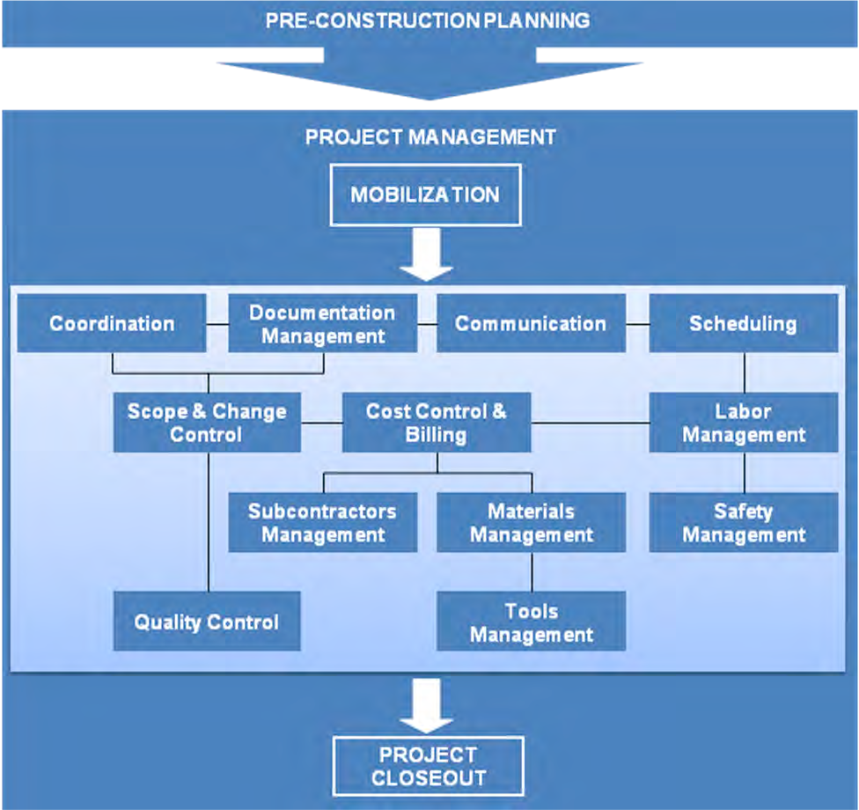

Completion Records

Date SOP is filled out:
List of individuals who completed the SOP:

Collect Signatures:

